Facilitator notes
Facilitator notes — Safety/HSE tagging (confirmed values + reasoning)

1. Questions asked for each accepted threat
Q1. Can it create or enable a dangerous physical state? (e.g. wrong switching of breakers, loss of protection, unstable grid)
Q2. Could it harm people, the environment, or critical equipment? (e.g. risk to field technicians or the public, fire, overload, equipment damage)
Then tag the threat:
High — direct risk of injury, major outage, severe equipment damage.
Medium — contributes to unsafe conditions (loss of visibility, delayed response, weakened protection).
Low/None — mainly financial, reputational or confidentiality impact.

2. Reference architecture (Smart Grid, Purdue model)
Target system zones, top (IT) to bottom (field): Office Network (Router, Workstations & Servers) → DMZ (Firewall, Data Exchange Server) → SCADA Network (SCADA Servers, SCADA HMI, Remote Access via VPN, Firewalls, MTU) → OT Network (Primary Assets, IED, RTU, Switches, Process WAN, Modem, MV Bus, LV Load).

Tagging guideline (good practice, not an absolute rule): as a rule of thumb, the closer a component is to actuating the physical process (MTU, RTU, IED, PLC safety parameters, MV bus, primary assets), the higher its safety impact; IT/DMZ components are usually Low/Medium unless they are a stepping-stone into SCADA/OT. How well it is applied depends on the context the facilitator gives (see sections 3–4).

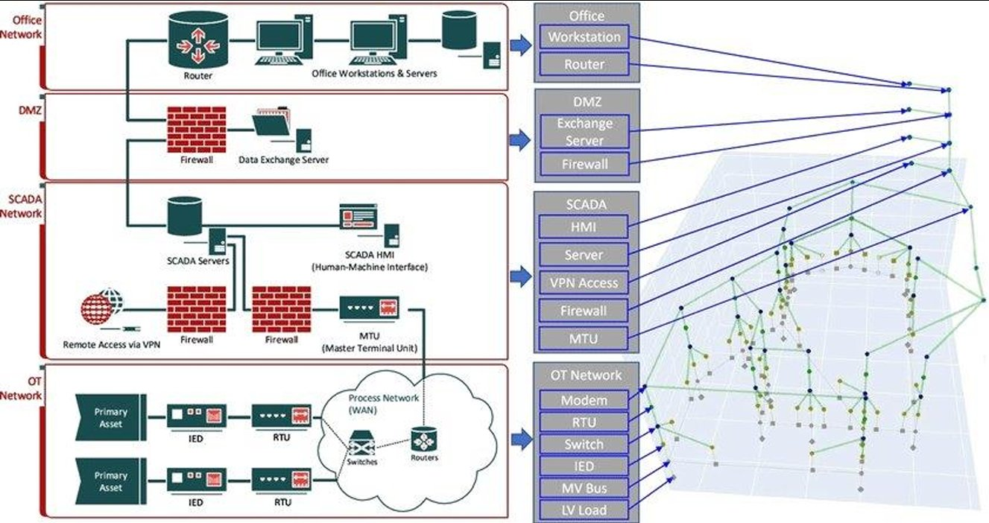

3. What we observed when participants assessed safety impact
• Conference workshop — reasonably good safety reasoning across the table teams.
• CTF group — weakest: the group attacked what they knew best, so familiar IT components (router, switch) drew the most attention and the actuation→safety link was under-recognised.
• Master students — a good grasp of safety impact emerged through discussion, though the first two threats (Tampering 5, EoP 4) were difficult at first.
Facilitator framing: to help students reason about physical consequences, the facilitator gave examples from the power-system domain. The facilitator is not a power-systems expert but is confident on cyber severity and is developing the safety-impact judgement — so the tags reflect facilitator-scaffolded reasoning and would shift with a different domain framing.
Takeaway: the guideline above is a useful rule of thumb, not an absolute rule; it is not noticed automatically and depends on how the facilitator frames the domain — which is exactly why the explicit safety prompt (M3), concrete domain examples, and group discussion matter.

4. Facilitator-confirmed values (from your notes)

Session A — Conference workshop: confirmed Safety/HSE impact
No. | Threat | Device / layer | Safety | Facilitator note
1 | OT network layer tampering | Process / OT network layer | High | This reaches the OT/process layer directly, so the link to physical process impact is clear.
2 | Insert a backdoor in the SCADA HMI | SCADA HMI | Medium | The HMI mainly affects supervision and operator trust. It becomes safety-critical if it leads to wrong decisions, but it is not direct actuation by itself.
3 | VPN key | VPN remote access | Medium | A VPN key is mainly an access path into the SCADA environment. The safety impact depends on what the attacker can reach after that.
4 | Backdoor (MTU) | MTU | High | The MTU is close to process control, so a backdoor could affect commands, limits, or process behaviour.
5 | Replaying of commands between RTU and IED | RTU ↔ IED | High | Replayed commands on this path can trigger unintended field actions, so the safety link is direct.
6 | MTU data tampering | MTU | High | False MTU data can make operators act on an incorrect process state, which may lead to unsafe operation or equipment damage.
7 | SCADA HMI tampering | SCADA HMI | Medium | This mainly affects what operators see and trust. The safety impact is indirect unless control actions are also affected.
8 | Displaying old data | MTU | Medium | Stale data can delay detection and response. The risk is serious, but it works through loss of visibility rather than direct control.
9 | Create information blindness | Field sensors | High | If operators or protection functions lose visibility of part of the process, hazards may go unnoticed.
10 | MTU safety-parameter tampering | MTU / PLC safety parameters | High | Changing safety parameters directly weakens or bypasses a protection layer.
11 | Attack via physical device (USB) | HMI workstation | Medium | A USB attack is an entry point. It becomes high only if the compromise reaches process control or safety-related functions.

Session B — CTF group: confirmed Safety/HSE impact (recalibrated)
No. | Threat | Device / layer | Safety | Facilitator note
1 | Tampering (SCADA Server) | SCADA Server | High | Treated as high if the SCADA server can be manipulated, because it may affect supervision, commands, and the path toward OT control.
2 | Tampering the DES | Data Exchange Server (DES) | Low–Medium | The DES can mislead operators or disturb data exchange, but the safety link is indirect unless it changes operational decisions or enables deeper SCADA access.
3 | DMZ Firewall | DMZ Firewall | Medium–High | The firewall itself is not the hazard. The safety impact becomes high if rule changes open a path from IT/DMZ into SCADA or OT.
4 | Router | Router / Office network | Low–Medium | A good example of the CTF group focusing on familiar IT. An office router is not automatically safety-critical unless it carries SCADA or OT traffic.
5 | VPN firewall | VPN Firewall / SCADA | Medium | Weak VPN controls make access easier, but the safety impact depends on whether that access can reach SCADA or OT functions.
6 | MTU | MTU | High | The MTU is close to the control process. Compromise here can influence commands or process coordination.
7 | Remote access | Remote-access server | Low–Medium | Remote access is an entry point rather than a direct safety mechanism. It becomes more safety-relevant if it gives a credible path into SCADA.
8 | SCADA HMI | SCADA HMI | High | The HMI can affect what operators see and possibly what they command, creating a clear path to unsafe decisions or control actions.
9 | Workstation | Office workstation | Medium | An office workstation is not directly safety-critical, but it matters if it becomes a pivot point toward SCADA.
10 | RTU | RTU / process network | High | The RTU is connected to the physical process, so compromise can directly affect field behaviour.
11 | Spoofing VPN | VPN | Medium | VPN spoofing is not the safety impact itself. It matters because it may create access to SCADA or OT.
12 | Credibility | Company web app / JWT | Low | Mainly IT-focused: identity, trust, web security, or confidentiality. There is no clear physical process path.
13 | Data Exchange server | Data Exchange Server | Low–Medium | DES compromise may support later access or wrong information flow, but the safety effect is indirect unless operational data is altered.
14 | Attack the router | Router / DES / workstation | Low–Medium | Reconnaissance or router attacks can support later compromise, but they do not by themselves create physical harm.
15 | DDoS for opening gateways | Servers / gateways | Medium–High | Availability loss can become safety-relevant if operators lose monitoring or control during an abnormal process condition.
16 | Elevate from the workstations to the SCADA server | Workstation → SCADA Server | High | The key IT-to-OT escalation path. Once the attack reaches the SCADA server, the safety link becomes strong.

Session C — Master students: confirmed Cyber severity
No. | Threat (group) | Device / link | Cyber sev. | Facilitator note
1 | Tampering 5 (GA) | SCADA Servers — SCADA Network | High | Tampering with SCADA servers affects integrity at a central point in the architecture, so the security impact is high.
2 | Tampering 5 (legacy access) (GA) | Office Network | Medium | Legacy access creates a weaker entry point, especially through shared folders or outdated authentication. The impact is real, but more limited than direct SCADA compromise.
3 | EoP 4 (GA) | SCADA Server — SCADA Network | High | Privilege escalation on the SCADA server is high severity because it can give administrative control over a critical system.
4 | EoP 4 (GA) | OT Network | High | When privilege escalation reaches the OT network, the attacker moves closer to physical assets and control functions.
5 | EoP 4 (office elevation) (GA) | Office Network | Medium | Office-side elevation is a serious foothold, but it remains one step removed from SCADA or OT unless lateral movement is shown.
6 | Tampering 5 (GB) | SCADA Server / MTU ↔ RTU (Process WAN link) | High | Replay or tampering on the SCADA–MTU–RTU path affects command integrity and can make malicious commands appear legitimate.
7 | EoP 4 (GB) | SCADA network | High | A container escape to the host can give broad control of the underlying system, so the compromise is not limited to the application layer.

